Pivot Table 1
Purchased Bike vs Average Income

AVERAGE of Income | Purchased Bike
Gender | Purchased Bike No | Purchased Bike Yes | Grand Total
Female | $53,440 | $55,774 | $54,581
Male | $56,208 | $60,124 | $58,063
Grand Total | $54,875 | $57,963 | $56,360

Region | (All)
Purchased Bike vs Commute Distance
COUNTA of Purchased Bike | Purchased Bike
Commute Distance | No | Yes | Grand Total
0-1 Miles | 166 | 200 | 366
1-2 Miles | 92 | 77 | 169
2-5 Miles | 67 | 95 | 162
5-10 Miles | 116 | 76 | 192
Over 10 Miles | 78 | 33 | 111
Grand Total | 519 | 481 | 1000

Purchased Bike vs Age Bracket
COUNTA of Purchased Bike | Purchased Bike
Age Bracket | No | Yes | Grand Total
22-44 | 261 | 290 | 551
45-65 | 222 | 177 | 399
Over 65 | 36 | 14 | 50
Grand Total | 519 | 481 | 1000

Purchased Bike By Region
COUNTA of Purchased Bike | Purchased Bike
Region | No | Yes | Grand Total
Europe | 152 | 148 | 300
North America | 288 | 220 | 508
Pacific | 79 | 113 | 192
Grand Total | 519 | 481 | 1000

Purchased Bike vs Car Ownership
COUNTA of Purchased Bike | Purchased Bike
Own Car | No | Yes | Grand Total
No Car | 96 | 151 | 247
Own Car | 423 | 330 | 753
Grand Total | 519 | 481 | 1000

481 | Customer Purchased Bikes
1001 | Total Customers
48.05% | Percent Customers Purchased Bikes

Dashboard
Know Your Customer

Total Customers | Customers who Purchased Bikes | Percentage of Customers who Purchased Bikes
1001 | 481 | 48.05%

Purchased Bike vs Age Bracket
 | Purchased Bike | Purchased Bike
22-44 | 261 | 290
45-65 | 222 | 177
Over 65 | 36 | 14
Purchased Bike vs Commute Distance
 | Purchased Bike | Purchased Bike
0-1 Miles | 166 | 200
1-2 Miles | 92 | 77
2-5 Miles | 67 | 95
5-10 Miles | 116 | 76
Over 10 Miles | 78 | 33
Purchased Bike vs Region
 | Purchased Bike No | Purchased Bike Yes
Europe | 152 | 148
North America | 288 | 220
Pacific | 79 | 113

55% of customers are between the ages of 22 and 44. 52.6% of these customers purchased bikes.
Customers that have a 0–1 mile or 2–5 mile commute were more likely to purchase bikes. These customers purchased 61.3% of the bikes.
68% of North America region customers with a 2-5 mile commute purchased bikes.
58.9% of Pacific region customers purchased bikes.
49.3% of Europe region customers purchased bikes.
43.3% of North America region customers purchased bikes.
50.8% of customers are in the North America region.
Recommendation:
Increase Pacific region sales by targeting age groups 22-44 and 44-65.
Increase North America sales by targeting customers who have a 2-5 mile commute.

Purchased Bike vs Car Ownership
 | Purchased Bike No | Purchased Bike Yes
No Car | 96 | 151
Own Car | 423 | 330
Purchased Bike vs Average Income
 | Purchased Bike No | Purchased Bike Yes
Female | $53,440 | $55,774
Male | $56,208 | $60,124

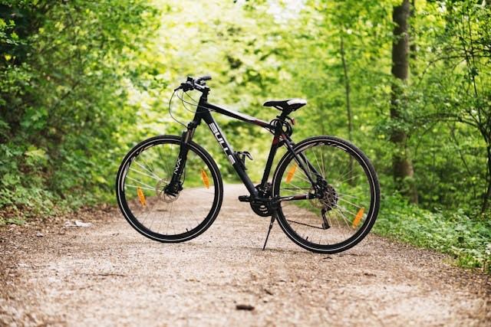

68.6% of customers who purchased bikes owned cars. Customers that did not own cards were more likely to purchase bikes.
The average customer income is $57,963.

